Welcome
 |  |  | How to Use This Template:
 |  |  | This template is designed to help with onboarding, performance assessments (using F4S 48 Motivational Traits), and reviewing team members' alignment with team and company values. We encourage you to adjust the review cadence to an interval that suits you. The template comprises 3 sheets: Onboarding, Motivational Traits, and Values Review. The Onboarding and Values Review sheets have an example copy (labeled ‘EXAMPLE’) to give you ideas for using it. Here's a breakdown of how to use each sheet. Onboarding and Check-ins: Leaders complete this sheet with the relevant goals. Duplicate the rows as needed for every month of the onboarding period. Team leaders are encouraged to record how much of each goal was completed (from 0-100%) and offer feedback on how the team member has achieved each goal. If any goals are incomplete, this should be noted in the ‘Action Items’ column along with a due date. Motivational Traits Review: Once the leader and team members have reached an agreement on the set goals, the team members can set the agreed goals in the F4S platform. The team member can then use the F4S platform to gain personalized insights to help them achieve their goals. They then track the progress of the motivational trait development towards achieving their goals and agree on the cadence for regular reviews to check in on progress. Values Review: Use this to review a team member's adherence to team and organizational values. Team members and leaders are asked to give a score of 1-5 on how closely the team member is aligned with each value. There is a column for ‘Agreed action for next period’ if adjustments are required.

Performance Review Template



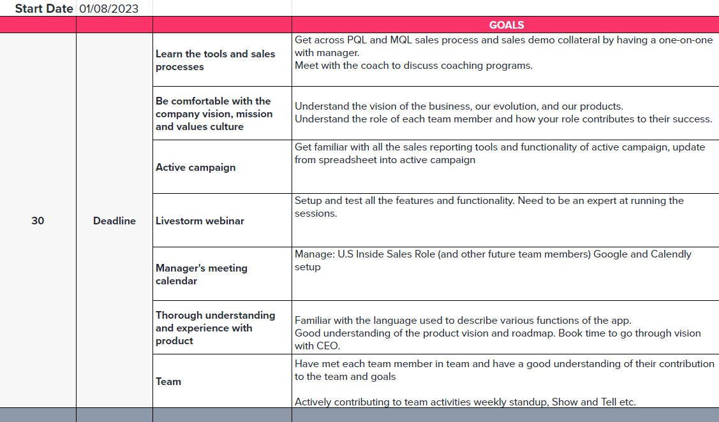

 | Book time with our team

 | Learn about team collaboration and performance tools and our customized coaching programs.

 |  | Book now

Motivational Goal Development
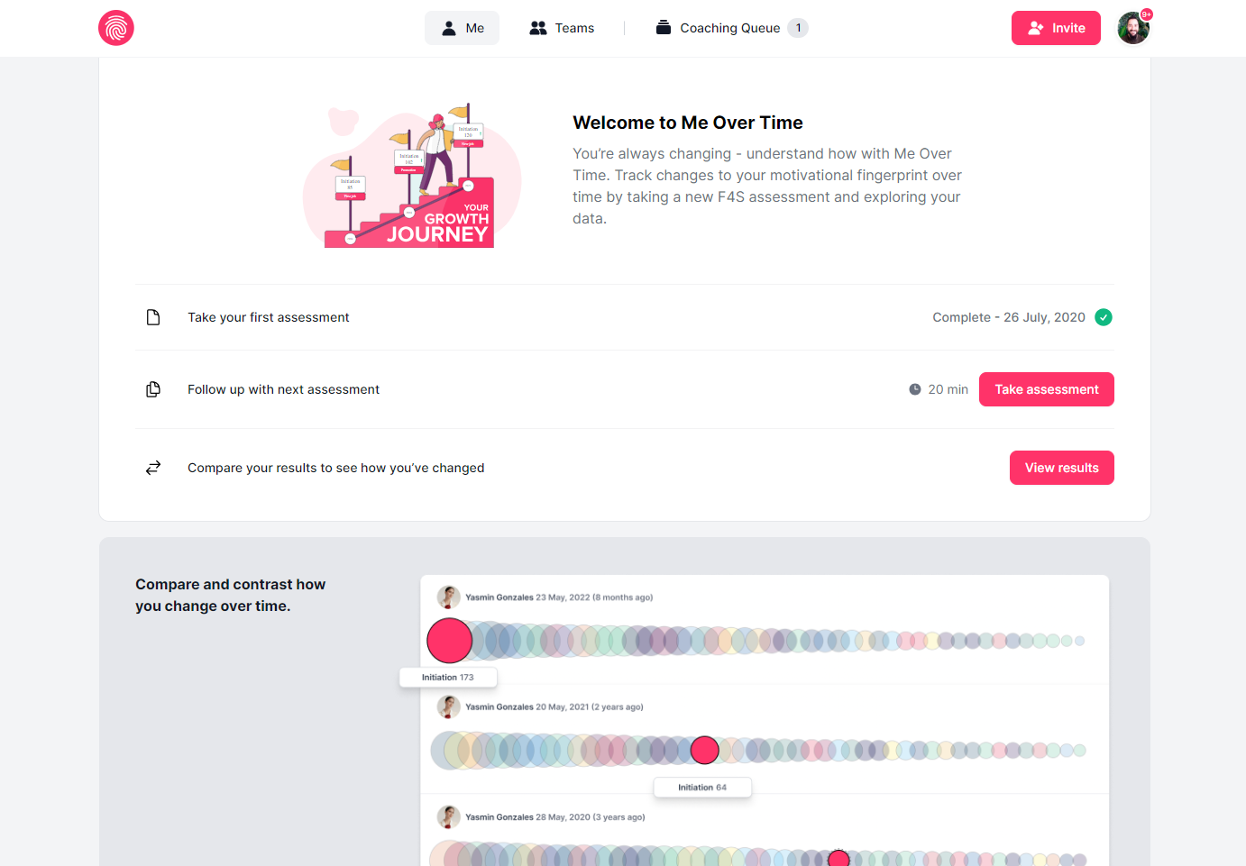
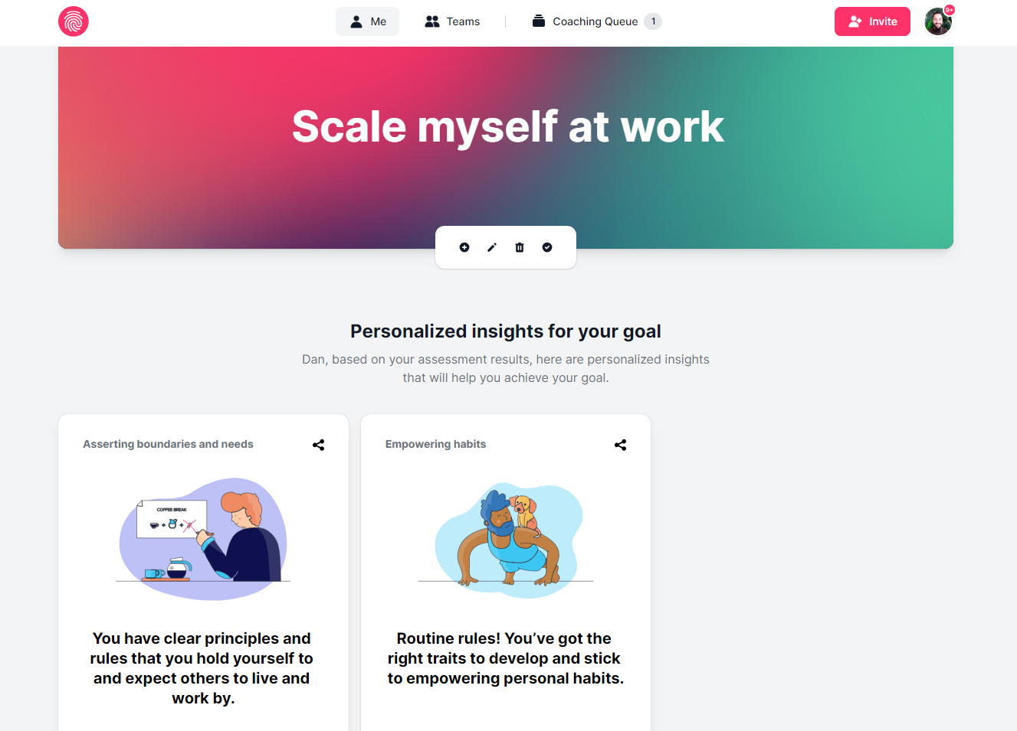
STEP 1 : Leader and team member set goals. | STEP 2: Team member sets goals in the F4S platform.

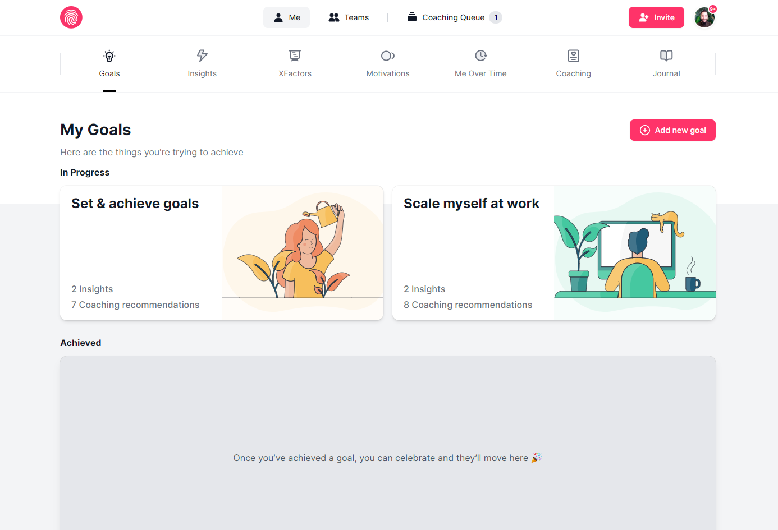

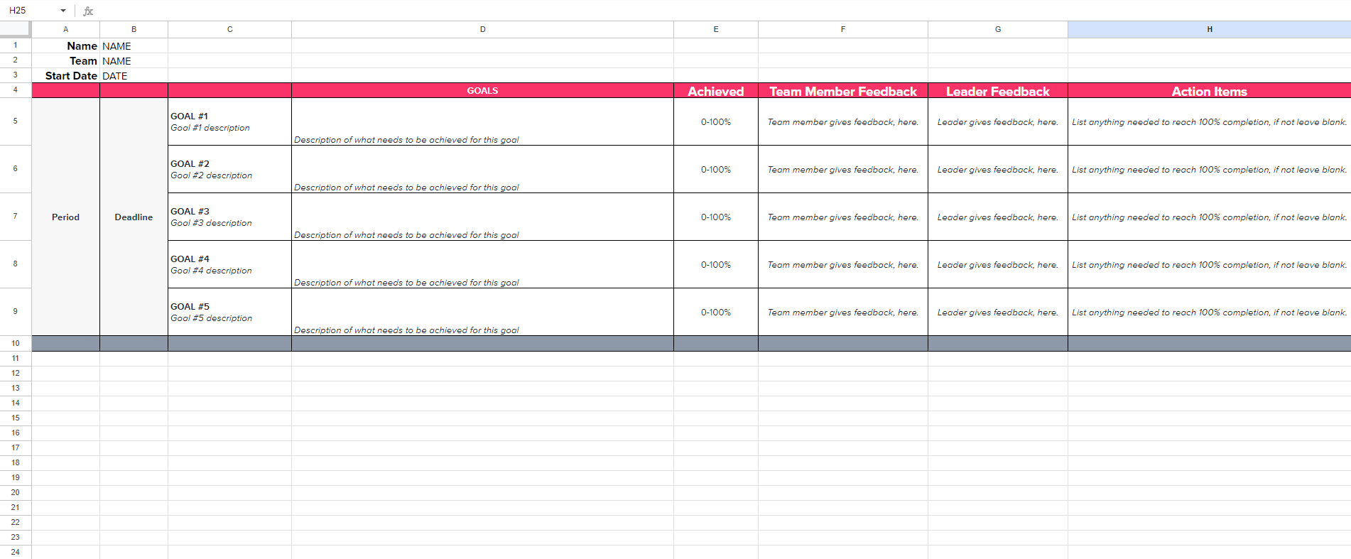

STEP 3: Team member uses the F4S platform | STEP 4: Leader and team member track the progress of the motivational
to gain personalized insights to help them achieve their set goals. | trait development towards achieving the set goal. Agree on the
 | cadence for regular reviews to check in on progress.

